1. Title Page
Exercise 4.10 Final - Part 2

Project Name: Exercise 4.10 Final - Part 2
Date: 6/29/2025
Analyst Name: Rebecca Meyer

Contents:
Population Flow
Consistency checks
Wrangling steps
Column derivations
Visualizations
Recommendations

Data Citations

"The Instacart Online Grocery Shopping Dataset 2017”, Accessed from www.instacart.com/datasets/grocery-shopping-2017 via Kaggle on June 2025.
Customer data and the “prices” column in the products data set, were both fabricated for the purpose of this course.

2. Population Flow
Title page

Population flow

Exclusion flag
Condition: max_order < 5
Obervations to be removed: 1,440,295
Final total count of order_products_all: 30,964,564

Orders_products_combined
Orders_products_merged
Orders_products_all

Total: 32,404,859
Total: 32,434,489
Total: 32,404,859

1.) The grey boxes in the first row of the population flow represent the original data sets as they were when you downloaded them. In the Total fields you need to add the count of the rows when you imported the data set into Jupyter.
2.) The second row of boxes (coloured) represents the data sets after you manipulated them, e.g., removed missing values and duplicates. In the Total fields you need to add the count of the rows after conducting these operations. This offers a visual oveview of how the data flows throughout the data consistency checks.
3.) The third row, where also the arrows are coloured, represents the merges you performed between the datasets. In the Total fields you need to add the count of the rows in the merged datasets, so that you end up with the final dataset (in the red box). Keep in mind the final dataset should be without exclusions (based on the exclusion flag).

3. Consistency checks
 |  |  |  | Title page
Consistency checks

Dataset | Missing values | Missing values treatment | Duplicates
orders | 206,209 missing values in days_since_prior_order column | Left alone, as they are the first orders for customers, which means they wouldn't have any prior orders before their very first order. This information is correct. | No duplicates found
products | 16 missing values in product_name | Removed the 16 rows from data set | Removed 5 duplicates
orders_products_prior | No missing values | N/A | No duplicates found
customers | No missing values | N/A | No duplicates found
ords_prods_merge | Confirming that the 206,209 missing values in days_since_prior_order column are indeed valid | Left alone, as previously established | No duplicates found
ords_prods_cust_merge | 2,076,096 missing valuses in days_since_prior_order column 5 missing values in average_days_since_last_order column 5 missing values in order_frequency_flag | Left the missing values of days_since_prior_order alone average_days_since_last_order missing values and order_frequency_flag missing values both have a quantity of 5 and they both match with the same individual. I left these alone. | No duplicates found

4. Wrangling steps
 |  |  |  | Title page
Wrangling steps

Columns dropped | Columns renamed | Columns' type changed | Comment/Reason
df_ords.eval_set |  |  | The only value is "prior," which is irrelevant for our analysis
 | df_ords.order_hour_of_day = df_ords.hour_of_order |  | To be more clear (did not over-write in df)
ords_prods_cust_merge.first_name |  |  | PII data - removed
ords_prods_cust_merge.last_name |  |  | PII data - removed
 |  | ords_prods_merge dataframe: order_id user_id order_number orders_day_of_week order_hour_of_day product_id reordered add_to_cart_order aisle_id department_id prices | Only updated to make the data set easier to work with and save - the platform kept crashing due to memory issues (this was recommended in "dealing with MemoryErrors_final") order_id - int32 user_id - int32 order_number - int8 orders_day_of_week - int8 order_hour_of_day - int8 product_id - int32 reordered - int8 add_to_cart_order - int32 aisle_id - int8 department_id - int8 prices - float32
 | df_cust. First Name to first_name |  | To keep with column consistency
 | df_cust.Surnam to last_name |  | To keep with column consistency
 | df_cust.Gender to gender |  | To keep with column consistency
 | df_cust. Age to age |  | To keep with column consistency
 | df_cust.n_dependants to dependants |  | To keep with column consistency
 | df_cust.fam_status to family_status |  | To keep with column consistency
 |  | df_cust dataframe: user_id age dependants income | Only updated to make the data set easier to work with and save - the platform kept crashing due to memory issues (this was recommended in "dealing with MemoryErrors_final") user_id - int32 age - int32 dependants - int32 income - int32
 |  | df_cust.first_name | Updated column type to string

5. Column derivations
 |  |  |  | Title page

Column derivations and aggregations

In this tab you should add tables below that the frequences of flags/label variables that you produced after deriving them. NB: don't do this for continuous variables, only for flags.
Dataset | New column | Column/s it was derived from | Conditions
ords_prods_merge | busiest_day | orders_day_of_week | result = [] for value in ords_prods_merge["orders_day_of_week"]: if value == 0: result.append("Busiest day") elif value == 4: result.append("Least busy") else: result.append("Regularly busy") result
ords_prods_merge | price_range | prices | def price_label(row): if row['prices'] <= 5: return 'Low-range product' elif (row['prices'] > 5) and (row['prices'] <= 15): return 'Mid-range product' elif row['prices'] > 15: return 'High range' else: return 'Not enough data'
ords_prods_merge | busiest_days_breakdown | orders_day_of_week | result = [] for value in ords_prods_merge["orders_day_of_week"]: if value == 0: result.append("Busiest day") elif value == 1: result.append("Second busiest day") elif value == 3: result.append("Second slowest day") elif value == 4: result.append("Slowest day") else: result.append("Regularly busy")
ords_prods_merge | busiest_period_of_day | order_hour_of_day | def busiest_period_of_day(row): if row['order_hour_of_day'] in [23, 6, 0, 1, 5, 2, 4, 3]: return 'Fewest orders' elif row['order_hour_of_day'] in [8, 18, 19, 20, 7, 21, 22]: return 'Average orders' elif row['order_hour_of_day'] in [10, 11, 14, 15, 13, 12, 16, 9, 17]: return 'Most orders' else: return 'Not enough data' ords_prods_merge['busiest_period_of_day'] = ords_prods_merge.apply(busiest_period_of_day, axis = 1)
ords_prods_merge | max_order | user_id order_number | ords_prods_merge['max_order'] = ords_prods_merge.groupby(['user_id'])['order_number'].transform(np.max)
ords_prods_merge | loyalty_flag | max_order | ords_prods_merge.loc[ords_prods_merge['max_order'] > 40, 'loyalty_flag'] = 'Loyal customer' ords_prods_merge.loc[(ords_prods_merge['max_order'] <= 40) & (ords_prods_merge['max_order'] > 10), 'loyalty_flag'] = 'Regular customer' ords_prods_merge.loc[ords_prods_merge['max_order'] <= 10, 'loyalty_flag'] = 'New customer'
ords_prods_merge | spender_type / average_spend_price | prices product_name | ords_prods_merge.groupby('prices') ords_prods_merge.groupby('product_name').agg({'prices': ['mean']}) ords_prods_merge['average_spend_price'] = ords_prods_merge.groupby(['product_name'])['prices'].transform(np.max) ords_prods_merge.loc[ords_prods_merge['average_spend_price'] < 10, 'spender_type'] = 'Low spender' ords_prods_merge.loc[ords_prods_merge['average_spend_price'] >= 10, 'spender_type'] = 'High spender'
ords_prods_merge | average_days_since_last_order | days_since_prior_order user_id | ords_prods_merge.groupby('days_since_prior_order') ords_prods_merge.groupby('user_id').agg({'days_since_prior_order': ['mean']}) ords_prods_merge['average_days_since_last_order'] = ords_prods_merge.groupby(['user_id'])['days_since_prior_order'].transform(np.max)
ords_prods_merge | order_frequency_flag | average_days_since_last_order | ords_prods_merge.loc[ords_prods_merge['average_days_since_last_order'] > 20, 'order_frequency_flag'] = 'Non-frequent customer' ords_prods_merge.loc[(ords_prods_merge['average_days_since_last_order'] > 10) & (ords_prods_merge['average_days_since_last_order'] <= 20), 'order_frequency_flag'] = 'Regular customer' ords_prods_merge.loc[ords_prods_merge['average_days_since_last_order'] <= 10, 'order_frequency_flag'] = 'Frequent customer'
ords_prods_cust_merge | region_breakdown | state | def region_breakdown(row): if row['state'] in ('Maine', 'New Hampshire', 'Vermont', 'Massachusetts', 'Rhode Island', 'Connecticut', 'New York', 'Pennsylvania', 'New Jersey'): return 'Region 1' elif row['state'] in ('Wisconsin', 'Michigan', 'Illinois', 'Indiana', 'Ohio', 'North Dakota', 'South Dakota', 'Nebraska', 'Kansas', 'Minnesota', 'Iowa', 'Missouri'): return 'Region 2' elif row['state'] in ('Delaware', 'Maryland', 'District of Columbia', 'Virginia', 'West Virginia', 'North Carolina', 'South Carolina', 'Georgia', 'Florida', 'Kentucky', 'Tennessee', 'Mississippi', 'Alabama', 'Oklahoma', 'Texas', 'Arkansas', 'Lousiana'): return 'Region 3' elif row['state'] in ('Idaho', 'Montana', 'Wyoming', 'Nevada', 'Utah', 'Colorado', 'Arizona', 'New Mexico', 'Alaska', 'Washington', 'Oregon', 'California', 'Hawaii'): return 'Region 4' else: return 'Undetermined' ords_prods_cust_merge['region'] = ords_prods_cust_merge.apply(region_breakdown, axis=1)
ords_prods_cust_merge | exclude_label | max_order | def exclude_label(row): if row['max_order'] < 5: return 'Exclude' else: return 'Include' ords_prods_cust_merge.loc[ords_prods_cust_merge['max_order'] < 5, 'exclude_label_loc'] = 'Exclude'
df = ords_prods_cust_filtered | customer_type / shopper_type | orders_day_of_week age dependants income department_id order_hour_of_day | def customer_type(row): if (row['age'] >= 20) and (row['dependants'] == 0) and (row['income'] < 100000): return 'Single Adult' elif (row['age'] >= 20) and (row['department_id'] == 8): return 'Pet Shopper' elif (row['orders_day_of_week'] == 0) or (row['orders_day_of_week'] == 6): return 'Weekend Shopper' elif (row['order_hour_of_day'] >= 6) and (row['order_hour_of_day'] <= 11): return 'Morning Shopper' else: return 'Other Shopper' df['shopper_type'] = df.apply(customer_type, axis=1)

Flag frequencies:

spender_type
ords_prods_merge['spender_type'].value_counts(dropna = False)
Output:
spender_type
Low spender 21760937
High spender 10643922
Name: count, dtype: int64

shopper_type
df['shopper_type'].value_counts(dropna = False)
shopper_type
Other Shopper 383047
Weekend Shopper 288684
Morning Shopper 208185
Single Adult 117010
Pet Shopper 3074
Name: count, dtype: int64

busiest_day
print(ords_prods_merge['busiest_day'].value_counts(dropna = False))
busiest_day
Regularly busy 22416875
Busiest day 6204182
Least busy 3783802
Name: count, dtype: int64

busiest_period_of_day
ords_prods_merge['busiest_period_of_day'].value_counts(dropna = False)
busiest_period_of_day
Most orders 23205725
Average orders 7909997
Fewest orders 1289137
Name: count, dtype: int64

price_range
df['price_range'].value_counts(dropna = False)
price_range
Mid-range product 673183
Low-range product 314392
High range 12425
Name: count, dtype: int64

loyalty_flag
ords_prods_merge['loyalty_flag'].value_counts(dropna = False)
loyalty_flag
Regular customer 15876776
Loyal customer 10284093
New customer 6243990
Name: count, dtype: int64

order_fequency_flag
ords_prods_merge['order_frequency_flag'].value_counts(dropna = False)
Output:
order_frequency_flag
Non-frequent customer 24487186
Regular customer 6533511
Frequent customer 1384157
NaN 5
Name: count, dtype: int64

6. Visualizations
 |  |  | Title page

Visualisations

In this tab you should include all the visualtions from Exercises 4.9 and 4.10, alongside the questions from the project brief that they answer. Include any commentary on the relationship between different variables.

Histogram = Order hour of day


 |  | Question:
 |  | The sales team needs to know what the busiest days of the week and hours of the
 |  | day are (i.e., the days and times with the most orders) in order to schedule ads at
 |  | times when there are fewer orders.

 |  | Answer:
 |  | This histogram shows the order hour of the day during a 24 hour day. We can see that most orders come through during the 11:00 to 15:00 hours of the day. Instacart can expect to be busiest during those timeframes and should aim to shedule ads during the hours of 0:00 - 10:00 and 16:00 - 24:00.

Line Chart = Prices and Order Hour of Day
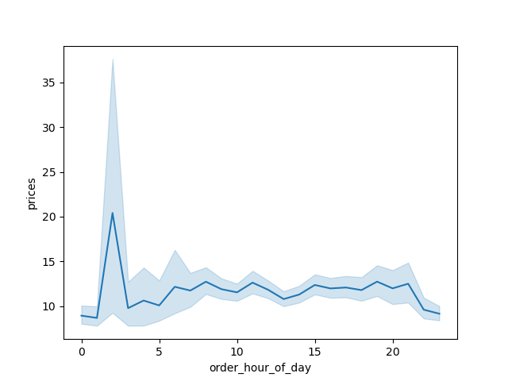

 |  | Question:
 |  | The sales team needs to know what the busiest days of the week and hours of the
 |  | day are (i.e., the days and times with the most orders) in order to schedule ads at
 |  | times when there are fewer orders.

 |  | They also want to know whether there are particular times of the day when people
 |  | spend the most money, as this might inform the type of products they advertise at

 |  | Answer:
 |  | The line chart shows the prices and the order hour of the day. You can see that the highest price is spent between 1:00 and 3:00, while steady prices are spent throughout the remainder of the day and dropping off after 20:00.

Bar Chart = Orders Day of Week


 |  | Question:
 |  | The sales team needs to know what the busiest days of the week and hours of the
 |  | day are (i.e., the days and times with the most orders) in order to schedule ads at
 |  | times when there are fewer orders.

 |  | They also want to know whether there are particular times of the day when people
 |  | spend the most money, as this might inform the type of products they advertise at

 |  | Answer:
 |  | This bar chart shows the orders during the day of the week. 0 = Saturday and 1 = Sunday, so weekend shopping is the most popular

Bar Chart = Price Range
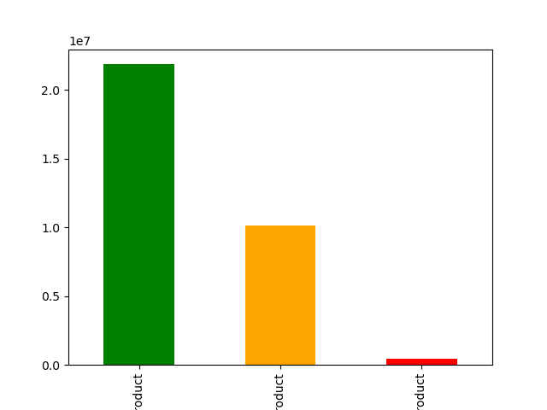

 |  | Question:
 |  | Instacart has a lot of products with different price tags. Marketing and sales want to
 |  | use simpler price range groupings to help direct their efforts.

 |  | Answer:
 |  | There are more products bought in the Mid-Range category (price is greater than 5, and less than or equal to 15).

Color Key:
 | Green = Mid-Range Product
 | Orange = Low-range Product
 | Red = High-Range Product

Histogram = Department_id Popularity
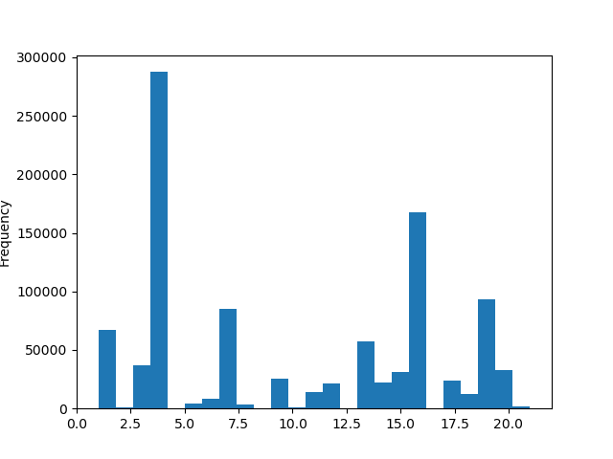

 |  | Question:
 |  | Are there certain types of products that are more popular than others? The marketing
 |  | and sales teams want to know which departments have the highest frequency of
 |  | product orders.

 |  | Answer:
 |  | Department_id 4 has the highest bar, meaning that Produce has the highest frequency of product orders, followed by deparment_id 16 (Dairy Eggs).

Bar Chart = Brand Loyalty
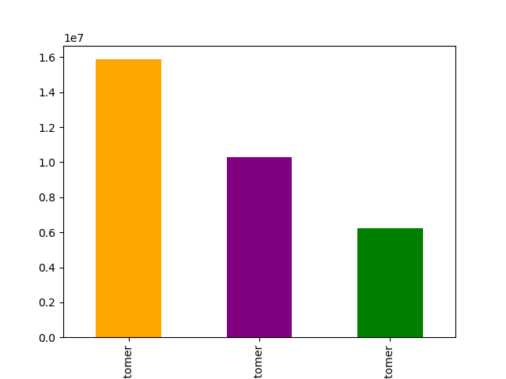

 |  | Question:
 |  | What’s the distribution among users in regards to their brand loyalty (i.e., how
 |  | often do they return to Instacart)?

 |  | Answer:
 |  | Regular customers are the primary customer at Instacart. Their max orders are less than or equal to 40 and greater than 10. Loyal customer are the second highest customer population, with max orders over 40. New customers also have a large chunk of the customer database, with less than or equal to 10 max orders. The new customer segment could be an excellent growth opporunity.

Color Key:
 | Orange = Regular Customer
 | Purple = Loyal Customer
 | Green = New Customer

Bar Chart = Shopper Type
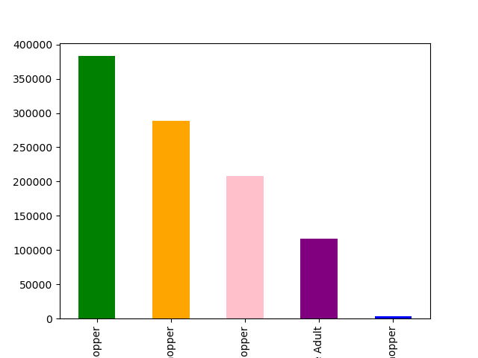

 |  | Question:
 |  | Are there differences in ordering habits based on a customer’s loyalty status?

 |  | Answer:
 |  | While the largest column is "Other Shopper," the "Weekend Shopper" is the biggest population, meaning that customers are most likely to order on the weekends. "Mornig Shopper" is the second biggest population, which would mean that most orders are coming in in the morning.

Color Key:
 | Green = Other Shopper
 | Orange = Weekend Shopper
 | Pink = Morning Shopper
 | Purple = Single Adult
 | Blue = Pet Shopper

Bar Chart = Region and Shopper Type
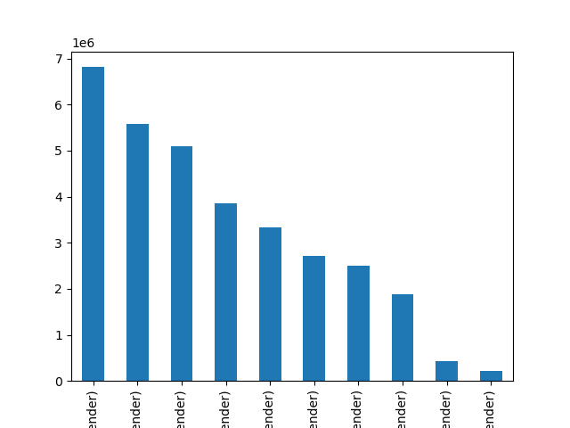

 |  | Question:
 |  | Are there differences in ordering habits based on a customer’s region?

 |  | Answer:
 |  | Low Spenders (where the average spend price is less than 10) make up the highest population in each region. This shows that every region has budget-conscious shoppers

Key:
 | Region 3, Low Spender
 | Region 4, Low Spender
 | Region 2, Low Spender
 | Region 1, Low Spender
 | Region 3, High Spender
 | Region 4, High Spender
 | Region 2, High Spender
 | Region 1, High Spender
 | Undetermined, Low Spender
 | Undetermined, High Spender

Line Chart = Dependants
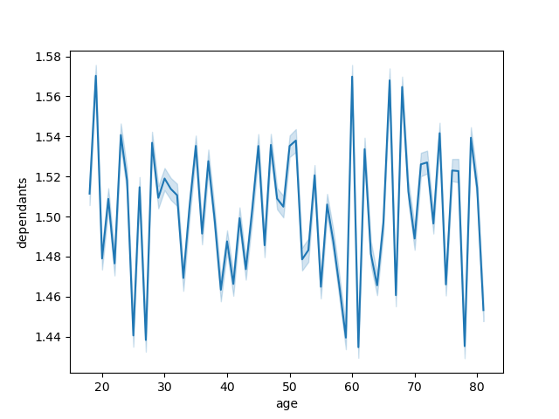

 |  | Question:
 |  | Is there a connection between age and family status in terms of ordering
 |  | habits?

 |  | Answer:
 |  | There is no connection between dependants and age, as there is no overall direction or consistency in the line chart. There is no discernible pattern within the chart.

7. Recommendations
 |  |  |  | Title page

Recommendations

In this tab you should include any recommendations you would made to Instcart in terms of their marketing strategy based on the questions posed in the brief. Every key question has been covered in the Tasks of the Exercises - here you need to add an item - a visualisation or table/crosstable that is showing the answer in the data, acompanied by a comment from you. Please, list the questions below and add the answer underneath.

Question |  | Answer
The sales team needs to know what the busiest days of the week and hours of the day are (i.e., the days and times with the most orders) in order to schedule ads at times when there are fewer orders. | The most orders come through during the 11:00 to 15:00 hours of the day. Instacart can expect to be busiest during those timeframes and should aim to shedule ads during the hours of 0:00 - 10:00 and 16:00 - 24:00. Recommndation: It is recommended to serve ads during the 1:00 - 10:00 hours and the 16:00 - 24:00 hours, with the most ads 1-2 hours before the prime shopping window of 9:00 - 10:00.
They also want to know whether there are particular times of the day when people spend the most money, as this might inform the type of products they advertise at these times. |  |  | The highest price is spent between 1:00 and 3:00, while steady prices are spent throughout the remainder of the day and dropping off after 20:00. The most populatr day(s) of the week to order are 0 = Saturday and 1 = Sunday, so weekend shopping is the most popular Recommendation: I believe more research needs to go into the highest price point at 1:00 - 3:00 and what particularly is causing that high point. As the price distribution is primarily steady throughout the day, my recommnedation is to follow the order hour of the day and prioritize advertising high value products during the 9:00 and 10:00 window.
Instacart has a lot of products with different price tags. Marketing and sales want to use simpler price range groupings to help direct their efforts. | There are more products bought in the Mid-Range category (price is greater than 5, and less than or equal to 15). Recommendation: Mid-Range products really are Instacart's bread and butter. Advertising more of those products may lead to selling more of those products.
Are there certain types of products that are more popular than others? The marketing and sales teams want to know which departments have the highest frequency of product orders. | Department_id 4 (Produce) has the highest frequency of product orders, followed by deparment_id 16 (Dairy Eggs). Recommendation: Produce and dairy eggs are neccessity amongest Instacart shoppers. Properly arranging these department_id so customers can easily find and add them to their cart may increase spend.
The marketing and sales teams are particularly interested in the different types of customers in their system and how their ordering behaviors differ. For example: a. What’s the distribution among users in regards to their brand loyalty (i.e., how often do they return to Instacart)? b. Are there differences in ordering habits based on a customer’s loyalty status? c. Are there differences in ordering habits based on a customer’s region? d. Is there a connection between age and family status in terms of ordering habits? e. What different classifications does the demographic information suggest? Age? Income? Certain types of goods? Family status? f. What differences can you find in ordering habits of different customer profiles? Consider the price of orders, the frequency of orders, the products customers are ordering, and anything else you can think of. | a. Regular customers are the primary customer at Instacart. Their max orders are less than or equal to 40 and greater than 10. Loyal customer are the second highest customer population, with max orders over 40. New customers also have a large chunk of the customer database, with less than or equal to 10 max orders. The new customer segment could be an excellent growth opporunity. Recommendation: Is there any loyalty perks that could be gained if a customer converts from a regular customer to a loyal customer? If not, it may be beneficial to create one to gain additional loyal customers. b. While the largest column is "Other Shopper," the "Weekend Shopper" is the biggest population, meaning that customers are most likely to order on the weekends. "Morning Shopper" is the second biggest population, which would mean that most orders are coming in in the morning. Recommendation: Weekend Shoppers being the biggest population isn't surprising, but more research will need to go into figuring out where the "Other Shoppers" category fit in, to properly understand what drives them to order. c. Low Spenders (where the average spend price is less than 10) make up the highest population in each region. This shows that every region has budget-conscious shoppers. Recommendation: Times are only getting tougher, meaning budget-conscious shopping is only going to grow. While one of the strategies is to advertising higher priced items, it is important not to forget lower priced items, as "Low Spenders" are a large population in every region. d. There is no connection between dependants and age, as there is no overall direction or consistency in the line chart. There is no discernible pattern within the chart. Recommendation: As there is no connection, there is no recommendation. Perhaps understanding a different relationship would yield better results. e & f. The data suggests that the Instacart database is made up of regular customers, who primarily buy pro

